Instructions
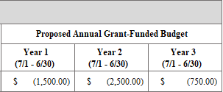
General Considerations

 | 1. | Please note the Detailed Budget Spreadsheet works best when used in more recent versions of Microsoft (MS) Excel (like MS Office 2016).

 | 2. | The Detailed Budget Spreadsheet must be uploaded as a MS Excel file to the Grant-Funded Budget Form. Applications submitted without this spreadsheet will be considered administratively incomplete and therefore ineligible for review.

 | 3. | All information entered in the Detailed Budget Spreadsheet must match that entered in the online grant application.

 | 4. | Enter only budget information for which the Applicant is requesting grant funds from SRBC.

Instructions

 | Step 1 - |  | Starting on page 1, enter the required information in the fields with grey boxes. The Applicant Name and Project Name must match the information entered into the online grant application.

 | Step 2 - |  | Scroll down to page 2 and enter the required task information in the grey boxes. Applicants may enter up to 10 primary tasks using the grey boxes on pages 2-11.

 | Step 3a - |  | To enter detailed budget information for the task, start by clicking on the grey box beneath Budget Category. Then click the drop-down q to select the desired Budget Category. For how to enter Cash Match or In-Kind Match, see Step 4 below.

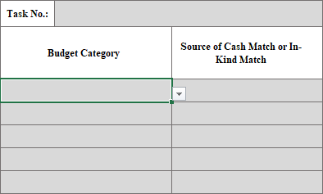
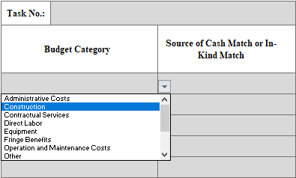

 |  |  |  | g

 | Step 3b - |  | After selecting a non-match Budget Category, such as Administrative Costs, click the grey box under Brief Description of Work and provide a brief description of the work to be completed using grant funds, if awarded.

 | Step 3c - |  | After entering a Brief Description of Work, click the grey box beneath Proposed Annual Grant-Funded Budget. Applicants may enter requested grant funds for each year they anticipate expenditure of grant funds for that Budget Category.

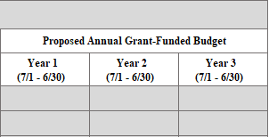

 | Step 4a - |  | To enter Cash Match or In-Kind Match, click the grey box below Budget Category. Then click the drop-down q and scroll down within the menu to select either Cash Match or In-Kind Match. Next, beneath Source of Cash Match or In-Kind, click the grey box next to the selected match type and then click the drop-down q to select the source of Cash Match or In-Kind Match. To access the Source of Cash Match or In-Kind Match menus, applicants must select either Cash Match or In-Kind Match in the Budget Category column. To learn more about eligible sources of Cash Match or In-Kind Match, please see the Grant Guidelines.

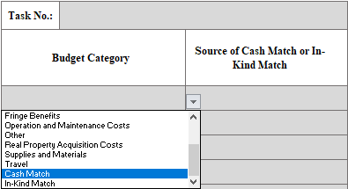
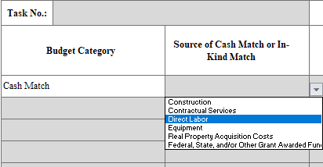

 |  |  |  | g

 | Step 4b - |  | After selecting either Cash Match or In-Kind Match and the appropriate match source, click the grey box beneath Brief Description of Work to briefly describe how the matching funds will be used to implement the proposed project.

 | Step 4c - |  | After entering information in the grey box beneath Brief Description of Work, enter the amount of Cash Match or In-Kind Match committed to the project by the Applicant using the grey boxes beneath the Proposed Annual Grant-Funded Budget. Applicants may enter the amount of matching funds for each year they will expend the Cash Match or In-Kind Match. [Note: After entering the matching fund amounts, the Spreadsheet will automatically display the values in parentheses as shown in the example below. This is to ensure the matching funds are not included in the Total Grant-Funded Budget. Applicants do not need to add parentheses to any matching fund amounts entered.]

